Sheet1
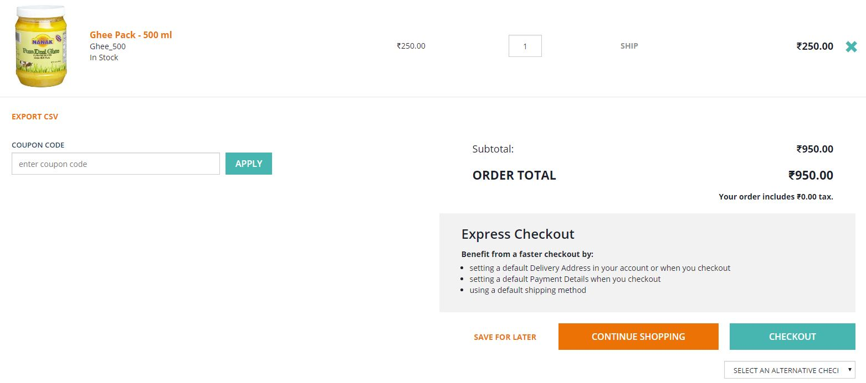
Test case Name | Test case Description | Steps | Expected Result | Actual Result | Evidence -1 | Evidence -2
Add to Cart Button | Checking for add to cart button | 1)Go to PDP page of a product | In the PDP page, the add to cart button should be present | In the PDP page, the add to cart button is present
 |  | 2)Check for "Add to Cart" Button

Add a product to the cart | Testing the add to cart button | 1)Go to PDP page of a product | On clicking the "add to cart" button in the PDP page, the product should be added to the cart and a pop up should come up indicating the product has been added. | On clicking the "add to cart" button in the PDP page, the product is added to the cart and a pop up comes up indicating the product has been added. | 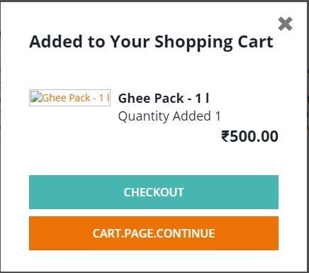
 |  | 2)Check for "Add to Cart" Button
 |  | 3)Click on "Add to Cart" Button

Mini cart icon | Testing the mini cart | 1)Go to PDP page of a product | On clicking the mini cart icon, the mini cart pop up should come up | On clicking the mini cart icon, the mini cart pop up comes up |  | 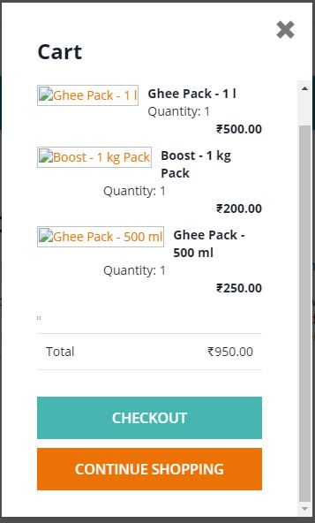
 |  | 2)Click on the mini cart icon

Checkout Button | Testing the checkout button in mini cart | 1)Go to PDP page of a product | In the mini cart page, the page should be directed to the cart page on clicking the "checkout" button | In the mini cart page, the page is directed to the cart page on clicking the "checkout" button | 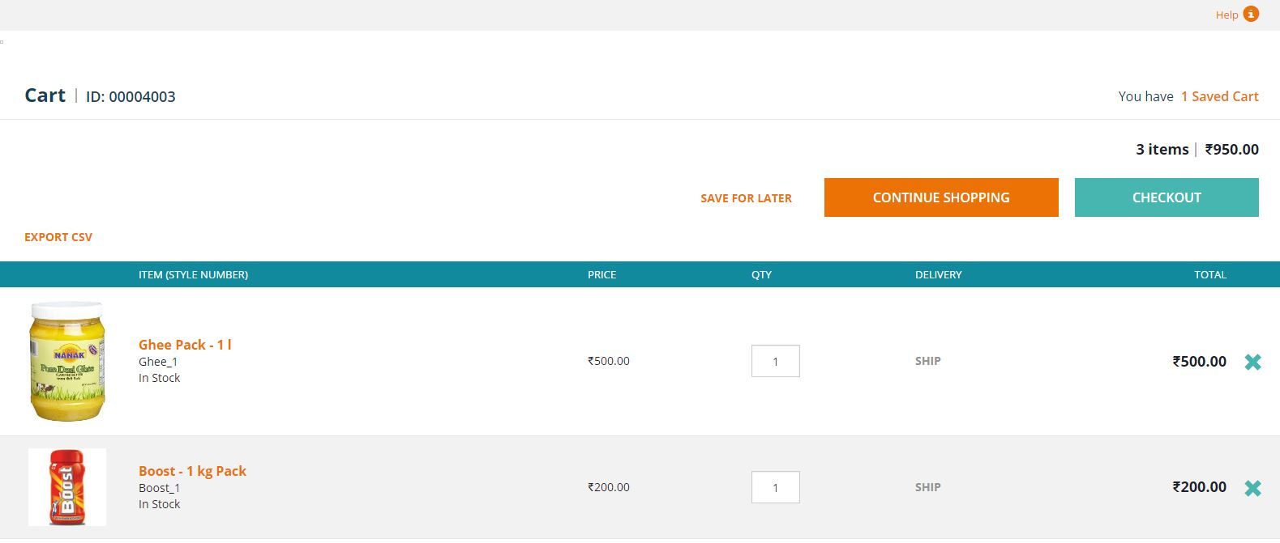
 |  | 2)Click on the mini cart icon
 |  | 3)Click on "Checkout" Button

